Indices

 | Iraq Stock Exchange
 | Bulletin No (205)

 | ISX Trading Indices of Monday 17/11/2025

 | Traded Volume and OTC |  | 17,139,790,330 |  | Traded Value and OTC |  | 2,284,977,422 |  | Traders | 919
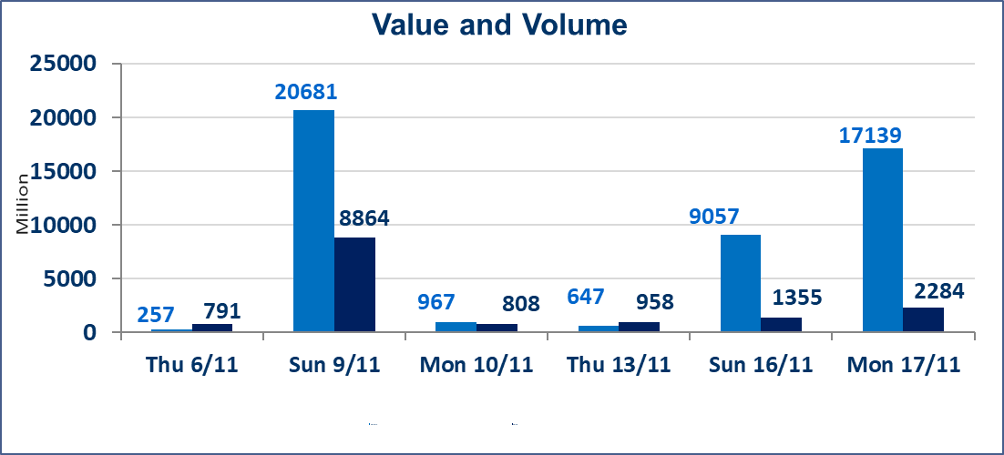
 | ISX Index 60 |  |  | 958.15 | ISX Index 15 |  |  | 1176.71
 | Previous ISX Index60 |  |  | 957.96 | Previous ISX Index15 |  |  | 1181.26
 | Change % |  |  | 0.02 | Change % |  |  | -0.39
 | Change |  |  | 0.19 | Change |  |  | -4.55

 | Listed Companies | 104 | OTC | 11 | Non Traded listed | 41 | OTC | 10
 | Traded Listed Companies | 46 | OTC | 0 | Higher Companies |  |  | 11
 | GAM Companies |  |  | 4 | Lower Companies |  |  | 11
 | Suspended Companies |  |  | 13
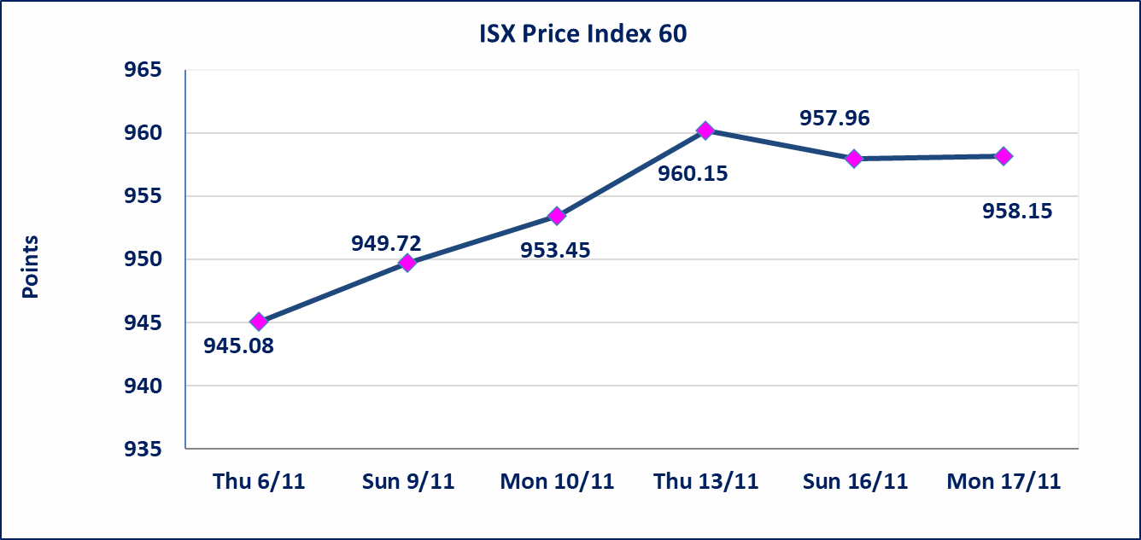
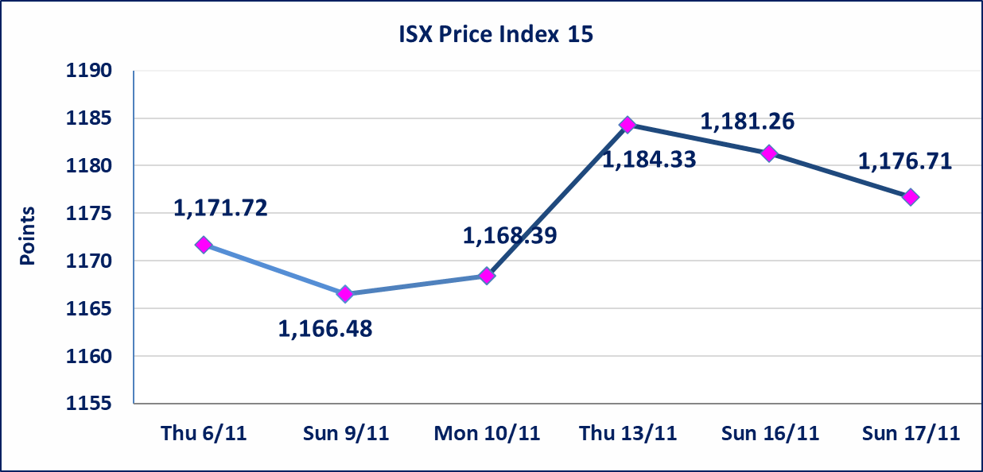

 | special orders | Baraem Al Khair Company executed a deliberate cross order on the shares of Middle East Bank Company with a number of shares (16,250,000,000) shares with a value of (975,000,0000) dinars, during the additional session time (after 1 pm) in accordance with the procedures for executing large transactions.
Al-Alwiya P.O . 3607 Mobile: 07711211522 - 07270094594 - 07834000034 E-mail: info-isx@isx-iq.net Web site:www.isx-iq.net

Top 5
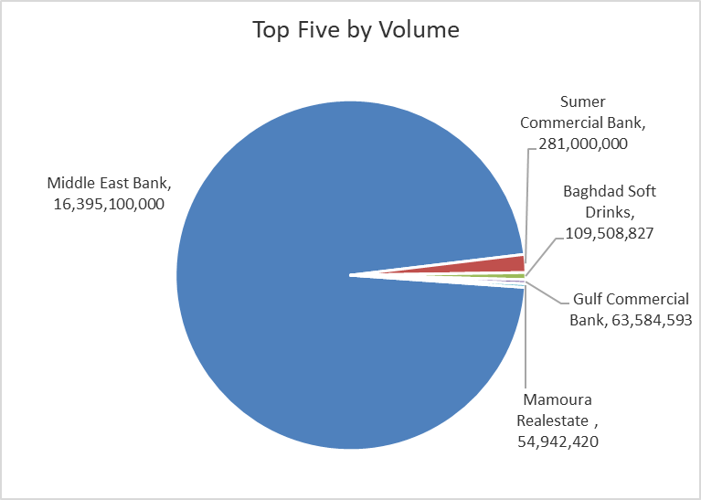
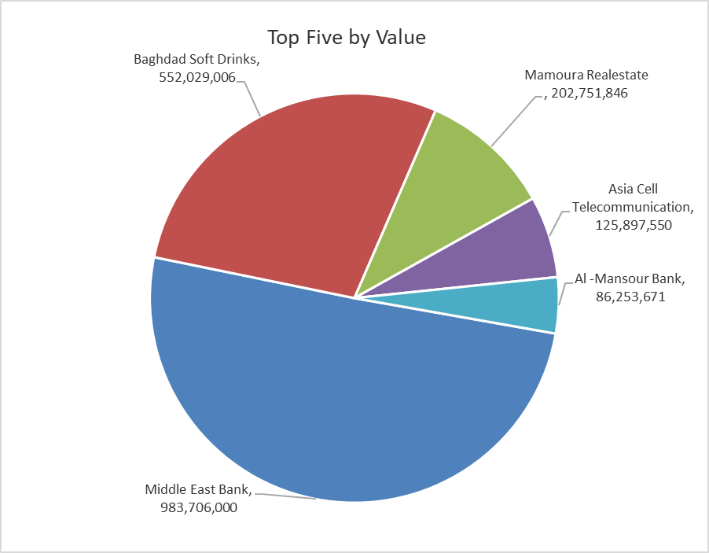
ISX top ganing and losing companies
Monday 17/11/2025
Gainers |  |  |  | Losers
Company Name | Closing Price | Change (%) | Traded Volume | Company Name | Closing Price | Change (%) | Traded Volume
Babil Animal & Vegetable Production | 5.490 | 14.85 | 68,797 | AL-Anssari Islamic Bank | 0.250 | -16.67 | 1,000,000
Palestine Hotel | 28.870 | 4.98 | 617,720 | Al-Ahlyia agricultural production | 2.400 | -12.41 | 10,000
Economy Bank | 0.240 | 4.35 | 11,471,134 | Al-Ameen for Insurance | 0.960 | -6.80 | 367,133
Mamoura Realestate | 3.750 | 4.17 | 54,942,420 | International Islamic Bank | 0.170 | -5.56 | 397,346
Ashur International Bank | 0.270 | 3.85 | 16,500,000 | Babylon Hotel | 100.000 | -3.85 | 19,544

The most active companies in term of traded volume and value

Traded Volume |  |  |  | Traded Value
Company Name | Closing Price | Change (%) | Traded Volume | Company Name | Closing Price | Change (%) | Traded Value
Middle East Bank | 0.060 | 0.00 | 16,395,100,000 | Middle East Bank | 0.060 | 0.00 | 983,706,000
Sumer Commercial Bank | 0.110 | 0.00 | 281,000,000 | Baghdad Soft Drinks | 5.070 | 0.20 | 552,029,006
Baghdad Soft Drinks | 5.070 | 0.20 | 109,508,827 | Mamoura Realestate | 3.750 | 4.17 | 202,751,846
Gulf Commercial Bank | 0.280 | 0.00 | 63,584,593 | Asia Cell Telecommunication | 13.150 | 0.92 | 125,897,550
Mamoura Realestate | 3.750 | 4.17 | 54,942,420 | Al -Mansour Bank | 2.030 | 0.00 | 86,253,671

OTC

Iraq Stock Exchange

Monday 17/11/2025

Not Trading OTC Companies
Company Name | Code | Previous Average price
Banks Sector
Al-Warka Bank | BWAI | 0.090
Al-Sanam Islamic Bank | BSAN | 3.000
Hammurabi Commercial Bank | BHAM | ـــــــــــــــــــــــــــــــــــ
Money Service Sector
Rabee Securities | FRSE | 9.500
Karmal Brokerage | FKSX | 10.000
Ishtar Gate for e-Paymant | FISH | 1.000
Sama Baghdad Exchange | FSBE | ـــــــــــــــــــــــــــــــــــ
Iraqi Deposit Insurance Corporation | FIDI | ـــــــــــــــــــــــــــــــــــ
Insurance Sector
Shatt Al Arab Insurance | NSHA | 1.000
Dilina Insurance Company | NDIL | ـــــــــــــــــــــــــــــــــــ

Non Iraqis

 | Iraq Stock Exchange
 | Non Iraqis' Bulletin Monday Nov 17 2025
 | Regular Market

 | Non Iraqi Trading of Regular Market (Buy)
 | Company Names | Code | No.of trades | Traded Shares | Trading Volume
 | Banks Sector
 | Iraqi Middle East Investment Bank | BIME | 2 | 120,000,000 | 7,200,000
 | National Bank Of Iraq | BNOI | 10 | 4,994,633 | 23,125,151
 | Gulf Commercial Bank | BGUC | 2 | 1,000,000 | 280,000
 | Total Bank sector |  | 14 | 125,994,633 | 30,605,151
 | Industry Sector
 | Al-Mansour Pharmaceuticals Industries | IMAP | 19 | 6,400,000 | 15,690,795
 | Baghdad Soft Drinks | IBSD | 1 | 10,000 | 50,600
 | AL- Kindi of Veterinary Vaccines | IKLV | 8 | 701,305 | 1,788,328
 | Total Industry sector |  | 28 | 7,111,305 | 17,529,722
 | Telecommunication Sector
 | Asia cell | TASC | 6 | 1,800,000 | 23,703,764
 | Total Telecommunication sector |  | 6 | 1,800,000 | 23,703,764
 | Grand Total |  | 48 | 134905938 | 71838637

 | Non Iraqi Trading of Regular Market (Sell)
 | Company Names | Code | No.of trades | Traded Shares | Trading Volume
 | Banks Sector
 | Al-Mansour Bank | BMNS | 42 | 24,066,725 | 48,615,452
 | Total Bank sector |  | 42 | 24,066,725 | 48,615,452
 | Industry Sector
 | Baghdad Soft Drinks | IBSD | 1 | 10,000 | 50,500
 | Total Industry sector |  | 1 | 10,000 | 50,500
 | Grand Total |  | 43 | 24076725 | 48665952

 | Non Iraqi Trading of Second Market (Sell)
 | Company Names | Code | No.of trades | Traded Shares | Trading Volume
Banks Sector
 | International Islamic Bank | BINT | 5 | 397,346 | 70,410
 | Total Bank sector |  | 5 | 397,346 | 70,410
 | Grand Total |  | 5 | 397,346 | 70,410

 | Non Iraqi Trading of Undisclosed Platform (BUY)
 | Company Names | Code | No.of trades | Traded Shares | Trading Volume
 | Industry Sector
 | Al -HiLal Industries | IHLI | 1 | 100,000 | 184,000
 | Total Industry sector |  | 1 | 100,000 | 184,000
 | Grand Total |  | 1 | 100,000 | 184,000

